Idee_Domains
 | Drop down
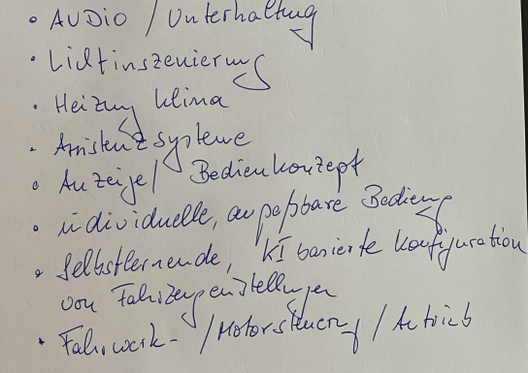
App-Store-Cup Prio | SECOR Prio | Netzwerkverbindung innerhalb E/E Architektur |  | Software-Level | SECOR Zielbebauung | Domain
Prio A | ew26 | Ethernet | ASIL-A | UX / OEM | SECOR core | Audio / Unterhaltung
Prio B | IAA Transportation 26 | Flexray | ASIL-B | Funktion / Tier-1 | SECOR optional | Heizung / Klima
Prio C | IAA Mobility 27 | CAN-BUS 2.0 | ASIL-C | Generic | SECOR n/a | Assistenzsysteme
 | IAA Mobility 29 | CAN-BUS FD | ASIL-D | OS / Betriebssystem |  | Anzeige / Bedienkonzepte
 |  | CAN-BUS XL | ASIL-QM | HW Abstraction |  | individuelle, anpassbare Bedienung
 |  | LIN |  |  |  | Selbstlernende, KI basierte Konfiguration von Fahrzeugeinstellgen
 |  |  |  |  |  | Fahrwerk-/Motorsteuerung / Antrieb

